
 |  |  |  | CODE: |  |  | pl1070 ab SN from 00E000
DESCRIPTION: |  | SQUEEGEE 95 |  | SQUEEGEE 95 | SQUEEGEE 95 | SQUEEGEE 95 | SQUEEGEE 95
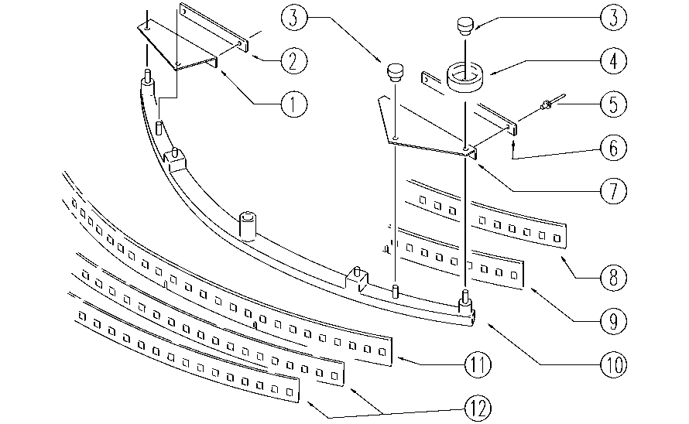

REF. | CODE | DESCRIPTION | QT
1 | E89531 | Bumper AS36 | 1
2 | E89533 | Strip Band AS36 | 1
3 | E86850 | Knob | 2
4 | E86841 | Squeegee Wheel Guide | 2
5 | E89296 | Rivet | 4
6 | E89534 | Strip Band AS36 | 1
7 | E89532 | Bumper AS36 | 1
8 | E86345 | Black Blade Retainer | 1
9 | E86343 | Front Squeegee Blade | 1
10 | E86985 | Squeegee Body | 1
11 | E86929 | Rear squeegee blade | 1
12 | E86345 | Black Blade Retainer | 2

